1. Title Page
[Grocery Basket Analysis]

Project Name: Instacart Basket Analysis
Date: 12/12/2023
Analyst Name: Keirra Lathrop

Contents:
Population Flow
Consistency checks
Wrangling steps
Column derivations
Visualizations
Recommendations

Data Citation: “The Instacart Online Grocery Shopping Dataset 2017”, Accessed from www.instacart.com/datasets/grocery-shopping-2017 via Kaggle on [11/04/23]

2. Population Flow
Title page

Population flow

Exclusion flag
Condition: max_order < 5
Obervations to be removed: 'eval_set', 'last_name'
Final total count of order_products_all: 32404859, 34

Orders_products_combined
Orders_products_merged
Orders_products_all

Total: 32404859, 15
Total: 32434489, 13
Total: 32404859, 34

3. Consistency checks
 |  |  |  | Title page
Consistency checks

Dataset | Missing values | Missing values treatment | Duplicates
orders | days_since_prior_order' = 206209 missing values | Values were kept due to similar characteristics for most 'order_number' = '1' | No duplicates
products | product_name' = 16 missing values | Removed, dropped missing values | 5 duplicates found, and removed
orders_products_prior | NA | No missing values | No duplicates
customers | first_name' = 11259 missing values | Values were kept, as rest of info is still useable within analysis | No duplicates

4. Wrangling steps
 |  |  |  | Title page
Wrangling steps

Columns dropped | Columns renamed | Columns' type changed | Comment/Reason
eval_set' |  |  | column unecessary to analysis
 |  | user_id' | converted 'user_id' from integer to string
 | order_dow' |  | renamed to 'orders_day_of_the_week'
 |  | order_id' | converted 'order_id' from integer to string
 | days_since_prior_order' |  | renamed to 'days_since_last_order'
Unnamed: 0' |  |  | when df.csv imported there was unnamed column
 | First Name' |  | renamed to match other column titles
 | Surnam' |  | renamed for better understanding
 | Gender' |  | renamed to match other column titles
 | STATE' |  | renamed to match other column titles
 | Age' |  | renamed to match other column titles
 | n_dependants' |  | renamed for better understanding
 | fam_status' |  | renamed for better understanding
last_name' |  |  | PII - Security risk

5. Column derivations
 |  |  |  | Title page

Column derivations and aggregations

Dataset | New column | Column/s it was derived from | Conditions
ords_products_merge.pkl | price_label' | prices | if row['prices'] <= 5: return 'Low-range product' elif (row['prices'] > 5) and (row['prices'] <= 15): return 'Mid-range product' elif row['prices'] > 15: return 'High range' else: return 'Not enough data'
ords_products_merge.pkl | price_range_loc' | prices | ords_prods_merge.loc[ords_prods_merge['prices'] > 15, 'price_range_loc'] = "High-range product", ords_prods_merge.loc[(ords_prods_merge['prices'] <= 15) & (ords_prods_merge['prices'] > 5), 'price_range_loc'] = "Mid-range product", ords_prods_merge.loc[ords_prods_merge['prices'] <= 5, 'price_range_loc'] = "Low-range product"
ords_products_merge.pkl | busiest_days' | orders_day_of_the_week
ords_products_new.pkl | busiest_day | order_hour_of_day | ords_prods_new.loc[(ords_prods_new['orders_day_of_the_week'] == 0) | (ords_prods_new['orders_day_of_the_week'] == 1), 'busiest_days'] = 'Busiest days'
ords_products_new.pkl | slowest_day' | order_hour_of_day | ords_prods_new.loc[(ords_prods_new['orders_day_of_the_week'] == 4)| (ords_prods_new['orders_day_of_the_week'] == 3), 'slowest_days'] = 'Slowest days'
ords_products_new.pkl | busiest_period_of_day' | order_hour_of_day | list_1 = [9, 10, 11, 12, 13, 14, 15, 16, 17] list_2 = [0, 1, 2, 3, 4, 5] results = [] # for-loop statement to categorize values for value in ords_prods_new["order_hour_of_day"]: if value in (list_1): results.append("Most orders") elif value in (list_2): results.append("Fewest orders") else: results.append("Average orders")
ords_products_new.pkl | loyalty_flag' | user_id & order_number | ords_prods_new.loc[ords_prods_new['max_order'] > 40, 'loyalty_flag'] = 'Loyal customer' ords_prods_new.loc[(ords_prods_new['max_order'] <= 40) & (ords_prods_new['max_order'] > 10), 'loyalty_flag'] = 'Regular customer' ords_prods_new.loc[ords_prods_new['max_order'] <= 10, 'loyalty_flag'] = 'New customer'
ords_products_new.pkl | spending_flag' | user_id & prices | ords_prods_new.loc[ords_prods_new['mean_price'] < 10, 'spending_flag'] = 'Low spender' ords_prods_new.loc[ords_prods_new['mean_price'] >= 10, 'spending_flag'] = "High spender"
ords_products_new.pkl | frequency_flag' | user_id & days_since_last_order | ords_prods_new.loc[ords_prods_new['median_last_order'] > 20, 'frequency_flag'] = 'Non-frequent customer' ords_prods_new.loc[(ords_prods_new['median_last_order'] > 10) & (ords_prods_new['median_last_order'] <= 20), 'frequency_flag'] = 'Regular customer' ords_prods_new.loc[ords_prods_new['median_last_order'] <= 10, 'frequency_flag'] = 'Frequenct customer'
ords_prods_cust.pkl | region' | state | # Creating empty list for values results = [] # for-loop statement to categorize values for value in df_1['state']: if value in (north_east): results.append("North East") elif value in (mid_west): results.append("Mid West") elif value in (west): results.append("West") else: results.append("South")
ords_prods_cust.pkl | total order' | user_id & order_number | df_1['total_order'] = df_1.groupby(['user_id'])['order_number'].transform(np.max)
ords_prods_cust.pkl | age_group' | age | # Creating empty list for values cust_prof = [] # for-loop statement to categorize values for value in df_2['age']: if value <= 29: cust_prof.append("<=29") elif value >= 50: cust_prof.append("50+") else: cust_prof.append("30-49")
ords_prods_cust.pkl | income_level_flag' | income | # Creating lower_income df_2.loc[(df_2['income'] >= 25000) & (df_2['income'] <= 67000), 'income_level_flag'] = 'Lower Income' # Creating mid_income df_2.loc[(df_2['income'] >= 67001) & (df_2['income'] <= 127000), 'income_level_flag'] = 'Mid Income' # Creating higher_income df_2.loc[df_2['income'] > 127001, 'income_level_flag'] = 'Higher Income'

6. Visualizations
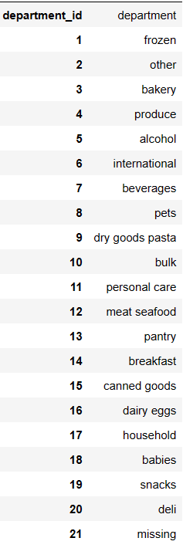
Title page

Visualisations

In this tab you should include all the visualtions from Exercises 4.9 and 4.10, alongside the questions from the project brief that they answer. Include any commentary on the relationship between different variables.

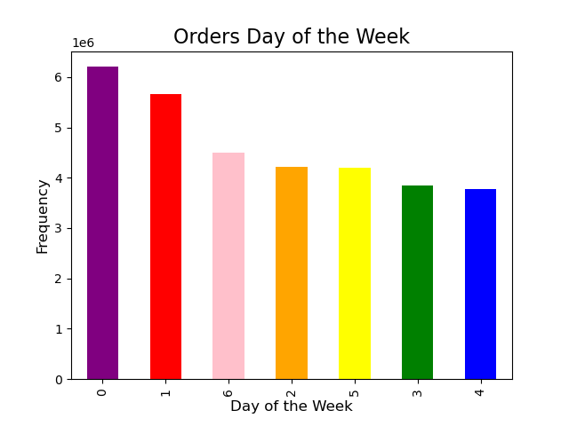
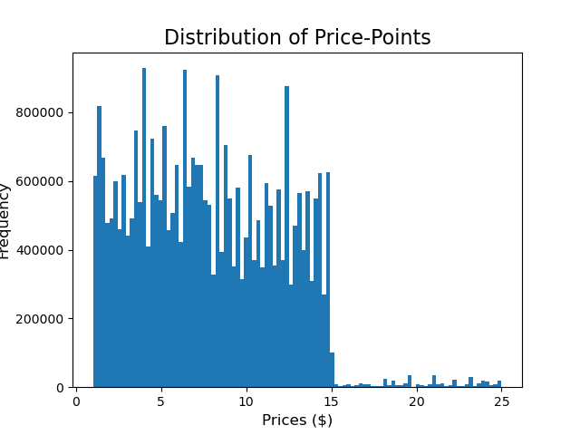


The histogram 'Distribution of Hour of Day' visualizes the busiest period (time) of the day for Instacart data.
We can see that 'peak hours' are between 9am-4pm
We can also see a heavy decline in orders after 4pm, lowest orders seen from 1am-6am
The histogram 'Distribution of Price-Points' visualizes the prices most often seen within Instacart data.
We can see most customers prefer items where prices are less than or equal to $15.00 with few instances of purchases between $16-$25
The bar chart 'Orders Day of the Week' visualizes the busiest day(s) for orders within Instacart data.
We can see that overall '0' and '1' are the busiest days for orders. This also confirms that the busiest period for orders is the weekend

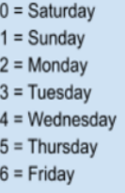

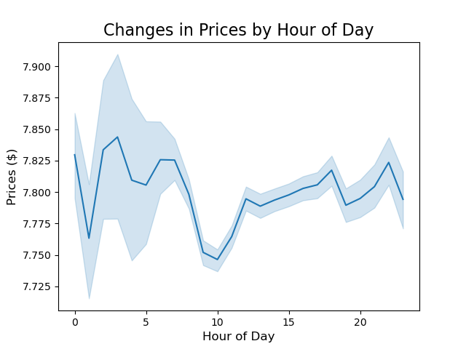
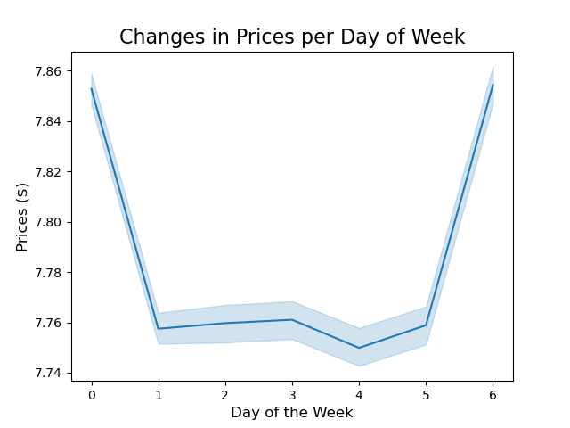

This line chart 'Changes in Prices per Day of Week' visualizes the fluctuations in prices of items purchased throughout the week.
We can see that overall highest-price point correlates with the busiest days 'Sat' & 'Sun'.
Items purchased 'Mon'-'Fri' have a lower price-point $7.76 being the highest price.
This line chart 'Changes in Prices by Hour of Day' visualizes the fluctuations in prices of items purchased throughout the day.
We can see that the higher priced items are purchased at 2am-3am. Followed by a peak at 8pm, then again at midnight.
We can also see that customers tend to purchase lower prices items from 9am-10am.


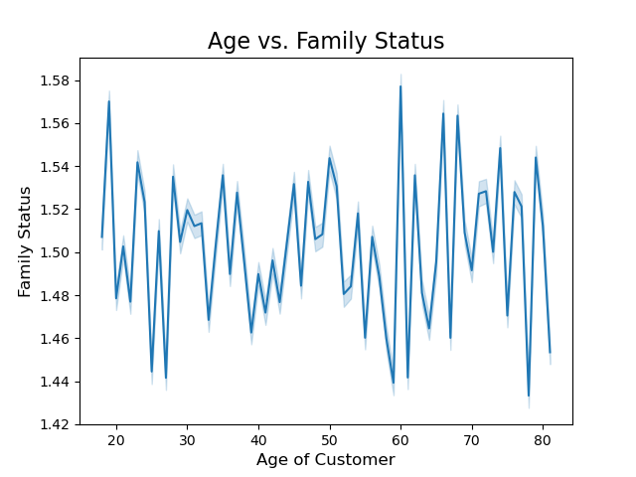

The scatterplot to the left visualizes customers varying incomes.
We can see that the majority of individuals remain under 200000.
We can also see as the customers age passes 40y/o the individuals spending power grows, proving a correlation to age and income.
The line chart 'Age vs Family Status' is attempting to show some sort of correlation between customers age and their family status.
As we can see, no clear correlation can be made.

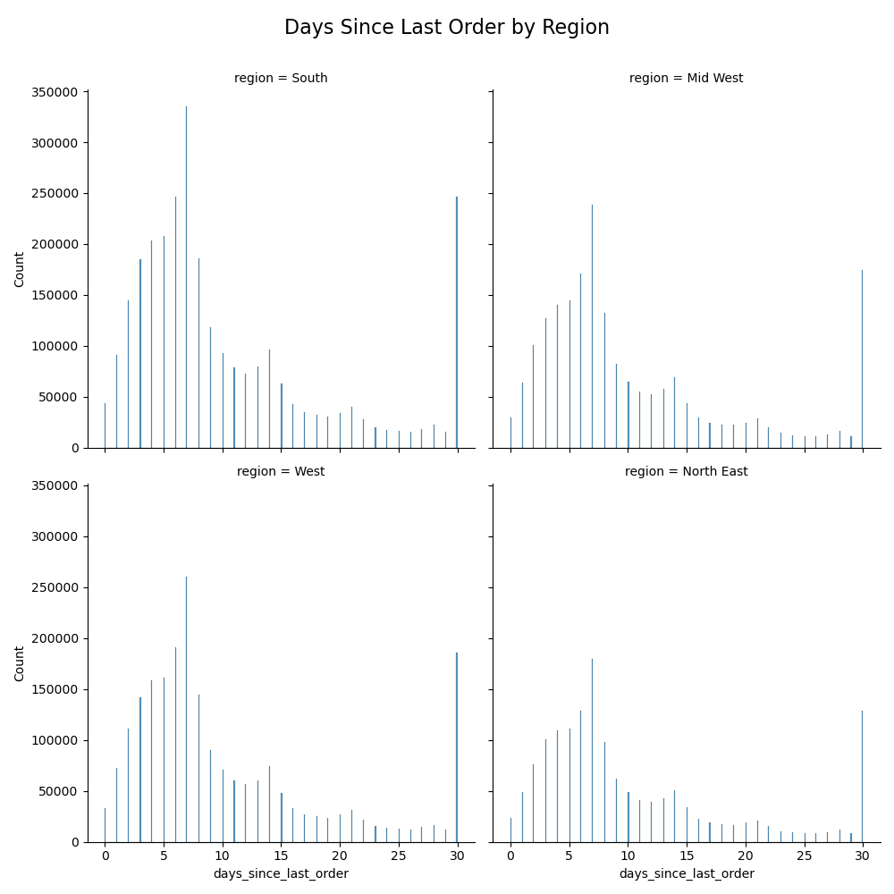

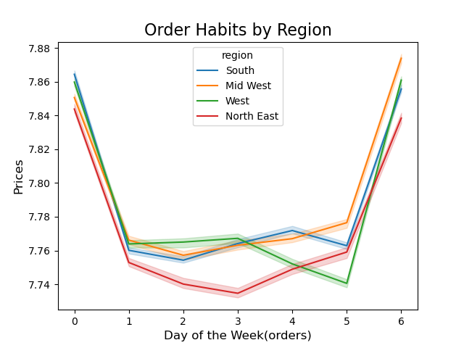
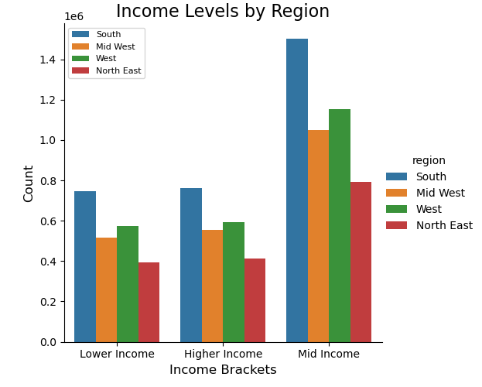
The countplot 'Days Since Last Order by Region' visualizes difference in how often customers place an order, by region specifically.
We can see that all regions mostly place an order every 7 days, or 29 days

The line chart 'Order Habits by Region' visualizes the different trends of a customers region.
We can see that:
South's busiest day is still 'Sat' + 'Sun', however we can also see that there is a peak in orders on 'Wed'.
Mid-West's busiest days is still 'Sat' + 'Sun', however we can also see that there is a peak in orders on 'Thurs'.
West's busiest days is still 'Sat' + 'Sun', however we can also see that there is a peak in orders on 'Tues'.
North East's busiest days is still 'Sat' + 'Sun', however we can also see that there are no onther major peaks.
The countplot 'Income Levels by Region' visualizes the differences in incomes per region.
We can see that South has the biggest count of 'Higher Income', as well as 'Mid' and 'Lower'
We can also see that North East has the smalles count of 'Lower Income' as well as 'Mid' and 'Higher'

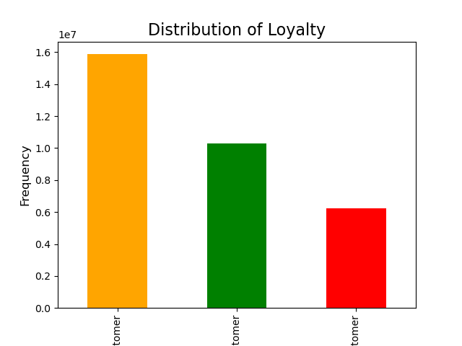
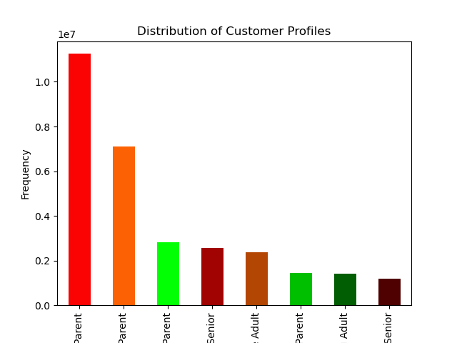

The bar chart 'Distribution of Customer Profiles' visualizes the highest frequency of profile.
We can see that:
1. Married Senior (50+) parents
2. Married Adult (30-49) parents
3. Married Young (>29) parents
4. Divorced/Widowed Senior (50+)
5. Single Adult (30-49)
6. Teen/Young (>29) parent
7. Single/Young (>29) adult
8. Single Senior (50+)
The bar chart 'Distribution of Loyalty' visualizes the highest frequency of loyalty.
We can see that:
1. Regular customers account for a majority of IC customers
2. Loyal customers account for the next largest portion of IC customers
3. New customers account for the lowest amount of IC customers

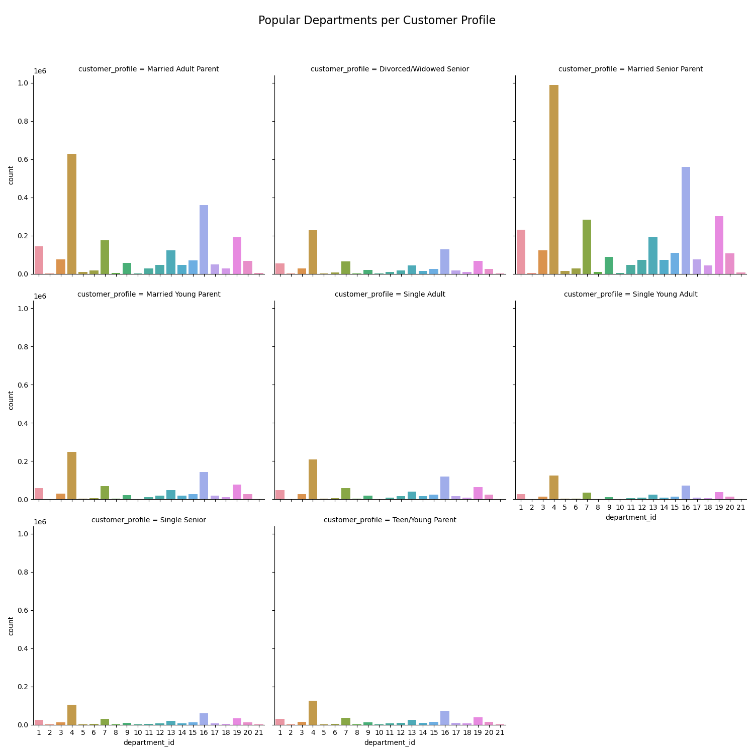
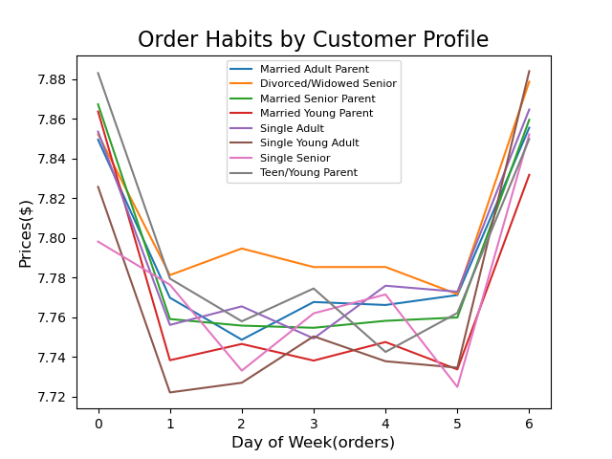
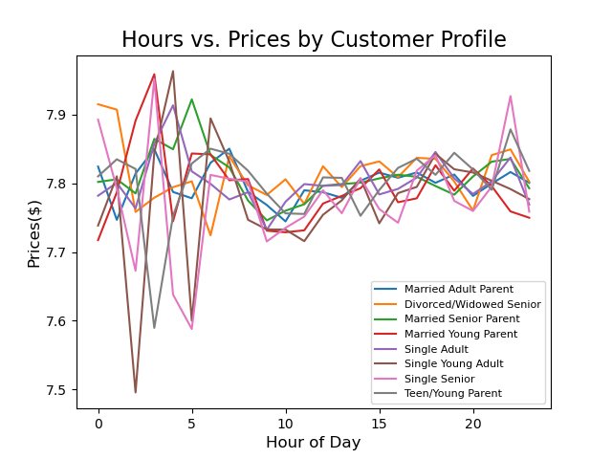

The line chart 'Order Habits by Customer Profile' visualizes difference in day order was placed, specifically by customer profiles.
We can see that again most popular days are still 'Sat' + 'Sun'.
However we can see that Divorced/Widowed Senior (no children) order higher priced items throughout the week, whereas Teen/Young Parent order lower-priced items as a whole.
With this insight IC can suggest/promote different items, time-frames, or discounts per specific customer profiles.
The line chart 'Hours vs. Prices by Customer Profile' visualizes differences in hour order was placed, specifically by customer profile.
We can see different peaks and dips within specific customer profiles.
Single Adults/Parents/Seniors + Young Parents have the highest fluctuations between midnight-3am.
Whereas Married Adults/Seniors and Divorced/Widowed Seniors have a more steady ordering pattern
The countplot 'Popular Departments per Customer Profile' visualizes the count of each Customers Profile most ordered ID's.
We can see that regardless of profile, majority of Instacart customers order '4', '16', & '19'.
'4' - produce
'16' - dairy eggs
'19' - snacks

7. Recommendations
 |  |  | Title page

Recommendations

Business Questions | Insights | Graph

The sales team need to know what the busiest days of the week and hours of the day are (i.e., the days and times with most orders) in order to schedule ads at the time when there are fewer order | Busiest Days: Saturday and Sunday, Busiest Hours: 9am-5pm
Is there a particular time of the day when people spend the most money, as this might inform the type of products they advertise at these times. | Hours w/ Highest Price-Points: Midnight, 2am-3am, and 6-7am
Instacart has a lot of products with different price tags. Marketing and sales want to use simpler price range groupings to help direct their efforts | Price-Point Most Often Purchased: $2.00-$15.00
Are there certain types of products that are more popular than others? The marketing and sales teams want to know which departments have the highest frequency of product orders. | Most Popular Departments: produce, dairy eggs, and snacks *(regardless of income, region or profile)
What's the distribution among users in regards to their brand loyalty? (i.e., how often do they return to Instacart? | 1. Regular Customers, return the most; 2. Loyal Customers 3. New Customers, return less frequently.
The marketing and sales teams are particularly interested in the different types of customers in their system and how their ordering behaviors differ. | Majority of customers income sits below 200,000, however as age increases past 40y/o purchasing power does as well. We can also see the fluctuations of specific customer profiles, assisting with delegating marketing/sales effectively.

